1) Introduction
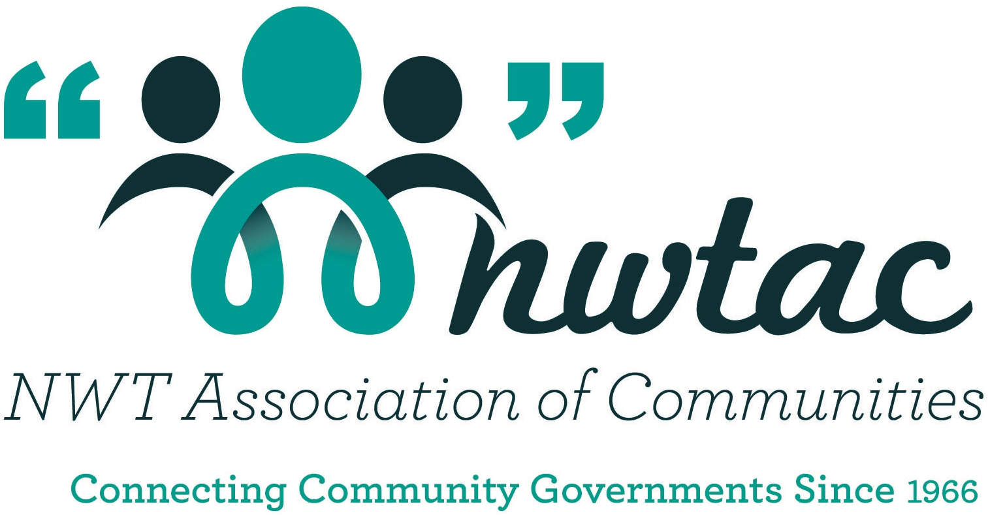
Levels of Service Template |  |  |  | Last Updated: | [Date]

[Your Community Name]

Community Infrastructure Service Delivery Goals:
[Describe corporate infrastructure service goals or commitments here. List the source documents for future reference.]
e.g. | Comply with all legislative requirements.
 | Achieve condition and performance targets in order to provide capacity, quality, and reliable services.
 | Ensure the safety of services and infrastructure.
 | Consider sustainability and long-term benefits to future generations.

1) Introduction

Purpose:
This template acts as a customizable tool to help smaller municipalities communicate with Councils, stakeholders, and residents about:
 | · The services and levels of service the community currently provides;
 | · Any gaps that may exist between the current status and that which is either required, desired or expected; and
 | · Actions or estimated cost to close gaps.
This template is a customizable tool focused primarily on external levels of service (i.e. regulatory and customer LoS) but also provides opportunities for documentation of internal (technical) levels of service.
The completed template will provide a documented set of levels of service for each service area that is commonly understood by staff, council, and the community.

Process:
The process involves:
 | · Documenting current services and current levels of services;
 | · Identifying potential gaps between current LoS and that required by legislation;
 | · Identifying potential gaps between current LoS and that desired or expected by customers; and
 | · Identifying actions and estimated costs to meet regulatory requirements or customer expectations.

Categories and subcategories of services that do not apply to the community may be ignored or removed from the template by the user.
Grey cells are locked and designed to auto-populate from previous worksheets.
Blue text | indicates a user input cell. Replace the blue text with information specific to your community.
NOTE: all cells except blue cells are locked and cannot be edited. The template can be unlocked so you can customize it by clicking the "Unprotect Sheet" box in the "Review" tab of Excel.

What are levels of Service (LoS)?
Levels of Service are specific parameters that describe the extent and quality of services that the municipality provides to users.
Levels of Service link an asset's performance to target performance goals and can be broken down into the following categories:

 | Legal Requirements: Statutory, Regulatory and contractual requirements are the minimum levels of service that must be provided.
 |  |  | For example, drinking water must meet legislative requirements.

 | Community (Customer) Levels of Service: Community Levels of Service (CLoS) define how a service is perceived by the user, with non-technical measures for service goals.
 |  |  | The CLoS refers to the entire system that provides the service being evaluated.
 |  |  | Considerations for evaluating CLoS include capacity, safety, reliability, quality, and sustainability.

 | Asset (Technical) Levels of Service: Asset Levels of Service (ALoS) are specific and quantifiable measures for service targets.

This template is primarily focused on Community Levels of Service, and also includes some legal requirements and essential asset levels of service commonly used by Canadian municipalities.
Other levels of service can be added to the template by the user to develop a complete a service performance framework unique to the community.

What is the process for documenting and evaluating levels of service?
The process for documenting levels of service is described according to the seven steps defined in Figure 1 below.
Levels of Service can be evaluated by measures such as customer complaints per certain number of people, customer surveys, community outreach, collected data, or discussions with municipal staff familiar with service operations.

 |  | Figure 1: General Process for Establishing Levels of Service

Definitions:
Asset Type |  | Major group of assets (e.g. watermains, pump stations, roads, sidewalks, street lighting).
Current Performance |  | The level of service that is currently provided (which may be more or less than the level of service commitment)
Indicator |  | A specific property of service that can be objectively evaluated
Level of Service Commitment |  | The level of service the municipality aims to deliver to its customers. This is usually subjective or descriptive for community levels of service, and may be quantitative for asset levels of service.
Linear Asset |  | An asset inventoried by length, typically as part of an interconnected system or network such as watermains or roads.
Performance Measure |  | The means used by the municipality to assess a level of service. The following measures are indicated in Tab 3:
 |  | - O&M data: operating logbooks, sample test results, SCADA data, work order or CMMS data
 |  | - complaints: records of numbers and types of comments received from users by telephone, mail, front counter, website, email or social media
 |  | - expert assessment: Evaluation based on analysis by a competent staff member or consultant, using specific and repeatable criteria and methodology
 |  | - service contract: enforceable terms of a contract with a third party that provides a service on behalf of the municipality (e.g. biweekly residential waste collection)
 |  | - OH&S records: workplace inspection, accident, lost time and near miss records
 |  | - program data: utilization rates of facilities or equipment, spare capacity, range of services supported by the assets
Service Area |  | A major division of municipal service delivery (e.g. waterworks, sanitary sewer, transportation, recreation)
Service Characteristic |  | General property of service delivered by an asset or group of assets (e.g. safety, capacity, regulatory compliance).
Vertical Asset |  | An asset inventoried by item (not by length), such as a treatment plant or traffic light.

References:
Customer service level indicators in this template are primarily adapted from the Service Sustainability Assessment Tool (published by Asset Management BC, developed by Urban Systems and Innova Strategy Group).
Other references:
 | · 2017 Enterprise Asset Management Plan, Region of Peel, 2017
 | · Level of Service Framework, Northern Rockies Regional Municipality, 2017
 | · Developing Levels of Service and Performance Measures, New Zealand Asset Management Support (NAMS), 2007
 | · Guide to Asset Management Planning for Local Governments, Province of New Brunswick, 2017

Acknowledgements
This template has been created in partnership with the Northwest Territories Association of Communities (NWTAC).
Consulting services have been provided by Kerr Wood Leidal (KWL).

